Instructions
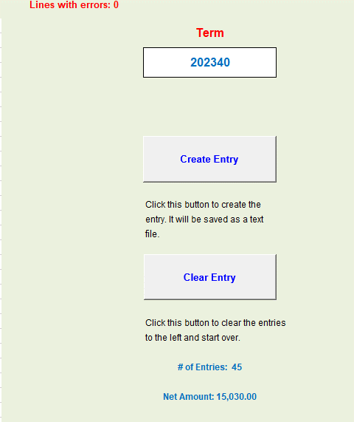
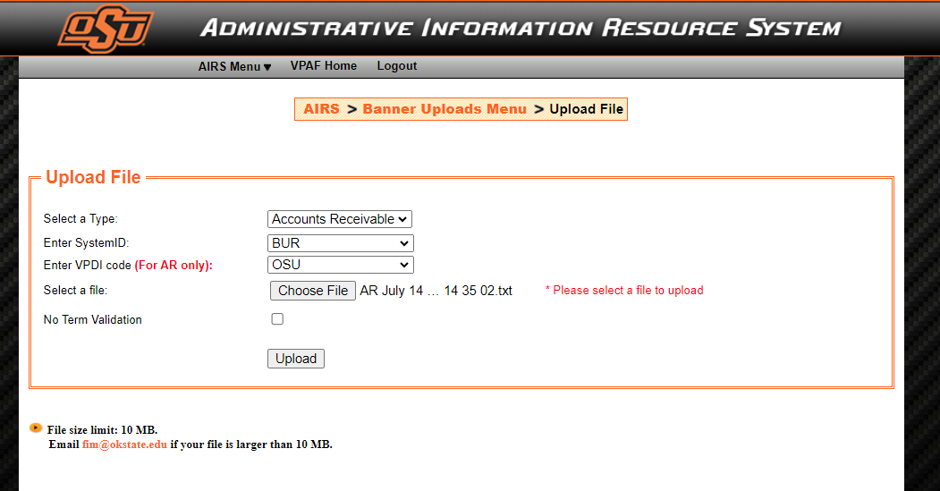
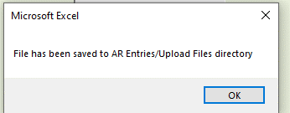
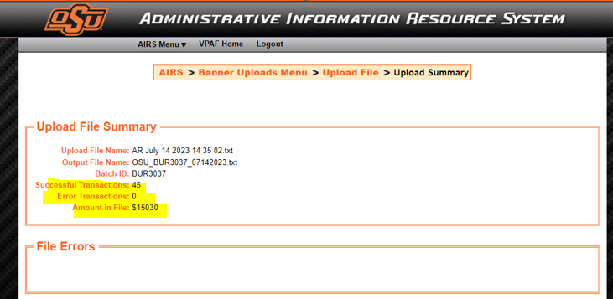
Instructions
This Excel file is for your records and will be used to copy and paste values to the OSU Banner AR Entry Macro workbook Template

Step One: | Enter charge information/data (or paste values from other data source) to AIRS Upload Data tab starting in cell A2.
 | Data Requirements
 | ID: | Banner ID starts with A
 | Term: | 202360 | Current term only. Do not use a prior for future term.

 | Detail Code: | xxxx | Detail applicable for the charge
 | Amount: | Enter amounts manually, or copy from source and paste values into the Amount column.
 |  | The amount field can be entered as a whole number (10 for "ten") or with decimal places (10.50). Do not enter more than two decimal places. Oherwise, the spreadsheet will round amounts with more than two decimals to the nearest 2 decimal number. There is no Debit/Credit indicator, so credit entries will have to be entered with a "-" preceding the number. For example -10.50

 |  | NOTE: if you do not have access to enter credit, contact Susan in the Bursar's Office for assistance with insurance charge reversals.

 | Doc #: | Document Number that references a source document -user input field (can be left blank if you don't have a document number).
 | Description: | Stu Ins - ELI
 |  | (30 character maximum).
 | Save this file to a location for your records. File name use AIRS upload - term - date of upload might be helpful.

Step Two: | Text File Creation (to use in AIRS Upload)
 | Laurie and I will send you the OSU Banner AR Entry Macro Workbook and step through the installation with you.
 | Once the Macro Workbook is installed to your C://drive, enter data using the steps listed below.

 | Entering data into the OSU Banner AR Entry Macro Workbook:
 | 1 | Copy data from the AIRS Upload Data tab in this file (select the data starting in cell A2 through end of list) and paste values to cell A2 on the Banner AR DATA tab in the Macro Workbook.

 | 2 | Cell I4: Enter current term, or confirm the term is correct (do not use prior or future term).
 | 3 | Cell G1: Confirm Lines with errors: is zero.
 |  | If there are lines with errors (cell G1), the Check Data tab provide description of error(s).
 | 4 | Cell I25: Confirm # of Entries matches the total of entries you need to upload.
 | 5 | Cell I27: Confirm Net Amount matches the total amount you need to upload.
 | 6 | If no errors, and number of entries and net amount are correct, click the Create Entry button.
 | 7 | Once the Create Entry button is selected the macro generates a text file and saves the text file to the AR Entries\Upload Files folder on your C:// drive (created during installation).

 |  | NOTE: The Create Entry button also clears the data from the Banner AR DATA tab
 | 8 | Close the Macro Workbook without saving
 | Upload Text File to AIRS:
 | 9 | Locate the text (txt) file and confirm it looks correct
 |  | this txt file will be uploaded to AIRS (AIRS Upload steps below)
 |  | NOTE: Once the file is uploaded to AIRS, move the txt file to an archive folder in the location where the Macro Workbook is stored

 | Additional Notes on Entering Data into the Macro Workbook:
 | a. | never delete cells or rows in the Macro Workbook. Instead click the Clear Entries button.
 | b. | maxiumum of 2000 lines of data
 | c. | NOTE: if you do not have access to enter credits, contact Susan in the Bursar's Office for assistance with insurance charge reversals.
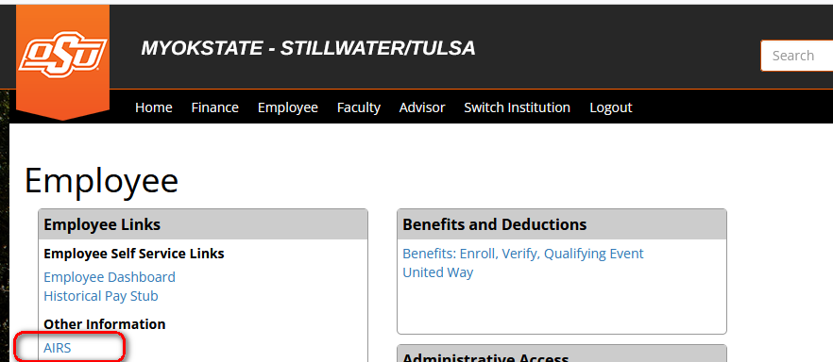

Step Three: | AIRS UPLOAD
 | Log into my.okstate.edu if not already logged in.
1 | Select the AIRS LINK in MYOKSTATE - STILLWATER/TULSA (you will have to log in again)
2 | Select Banner Uploads from the Student Section of the AIRS Menu
3 | Select the AR Uploads link
4 | Upload File information should default as listed below:
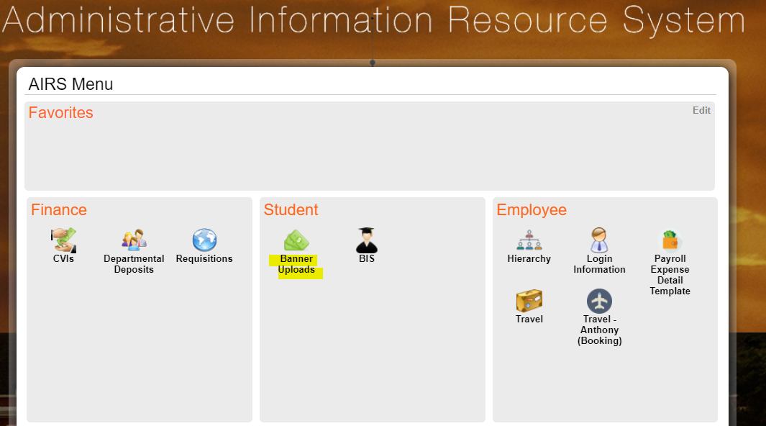
 | Select Type: | Accounts Receivable
 | System ID: | BUR
 | VPDI Code: | OSU
5 | Click on the Choose File button
6 | Navigate to the txt file location and select the file
7 | Click the Upload button
 | Once the Upload button has been clicked, the process of uploading the file will begin.

 | IMPORTANT NOTE: This process may take several minutes. Do not click the Upload button again as this may result in duplicate file uploads.

8 | When the file has completed the upload, the Upload File Summary screen will appear.

 | Keep screenshots for your records on the AIRS Upload Data tab

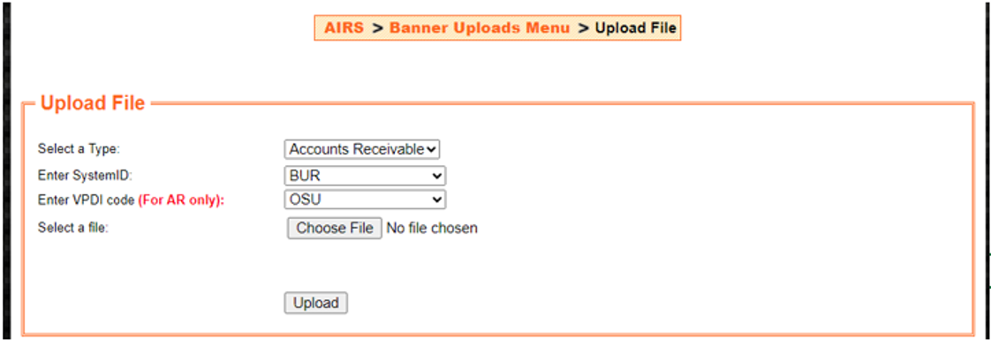
Reminder: | Once the file is uploaded to AIRS, move the txt file to an archive folder in the location where the Macro workbook is stored.

Example Screenshots

 | Step One |  |  | Step Two
 | Txt file creation template |  |  | AIRS Upload Screenshots

